Supervisor Task Route
Task ID | Stage | Location | Task / Field Instruction | Predecessor | Planned MH | Status | Hold Point / Evidence | Source / Notes | 作業内容（日本語） / Task (Japanese) | 図面用語・参照 / Drawing Reference (JP)
NC-001 | Preparation | All 4 locations | Identify truck, confirm approved drawing/revision and locate all four nose-cone bracket areas, tools preparation | - | 1.0 | Not Started | Work authorization | Drawing p2: 4 places | 車両番号・図面改訂の確認、施工箇所（4か所）の特定 | 施工箇所：4か所
NC-002 | Preparation | All 4 locations | Perform site safety assessment, isolate equipment, arrange access, fire watch and hot-work controls | NC-001 | 1.0 | Not Started | Hot-work permit | Site procedure; not specified by drawing | 安全確認、設備隔離、作業許可および作業場所の準備 | 現場安全手順（図面外）
NC-003 | Inspection | All 4 locations | 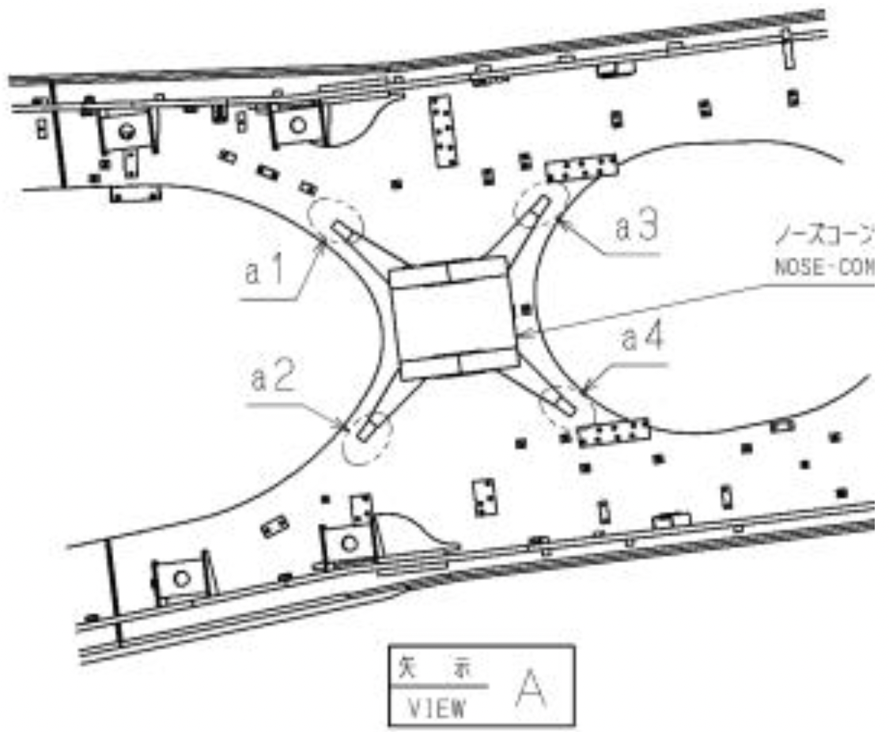 Inspect and photograph bracket and existing weld beads; identify crack extent and mark repair areas a1, a2, a3, a4 | NC-002 | 0.5 | Not Started | Before photographs / crack map | Drawing p2; confirm whether cracks exist | ブラケット・既存溶接ビードの点検、亀裂の確認・写真記録 | クラック / 既存のビード
NC-004 | Engineering check | All 4 locations | Confirm repair applicability and approved weld procedure, consumables, preheat and inspection criteria | NC-003 | 1.0 | Not Started | Engineering / QA release | Drawing p1; WPS and acceptance criteria not supplied | 補修適用条件、承認済み溶接施工要領および溶材の確認 | 作業手順 / 溶接棒
NC -004.1 | Area preparation | All 4 locations | Please remove all lube or any hydraulic hoses that are located near the are of influence of the welding repair | NC-004
NC-005 | Crack repair (conditional) required supervisor validation | Each cracked location | If cracks exist, mark crack plus 20 mm along length and define gouging limits as shown | NC-004.1 | 1.0 | Not Started | Marked crack extent | Drawing p2 section B | 亀裂がある場合、亀裂端から長手方向に20 mm追加して除去範囲をマーキング | クラック / ガウジング
NC-006 | Crack repair (conditional) required supervisor validation | Each cracked location | Preheat SCMn2B bracket to 200–250°C before gouging/welding; monitor temperature | NC-005 | 0.5 | Not Started | Temperature log | Drawing p1; bracket SCMn2B | SCMn2Bブラケットを200～250℃に予熱し、温度を確認 | 予熱 200～250℃
NC-007 | Crack repair (conditional) required supervisor validation | Each cracked location | 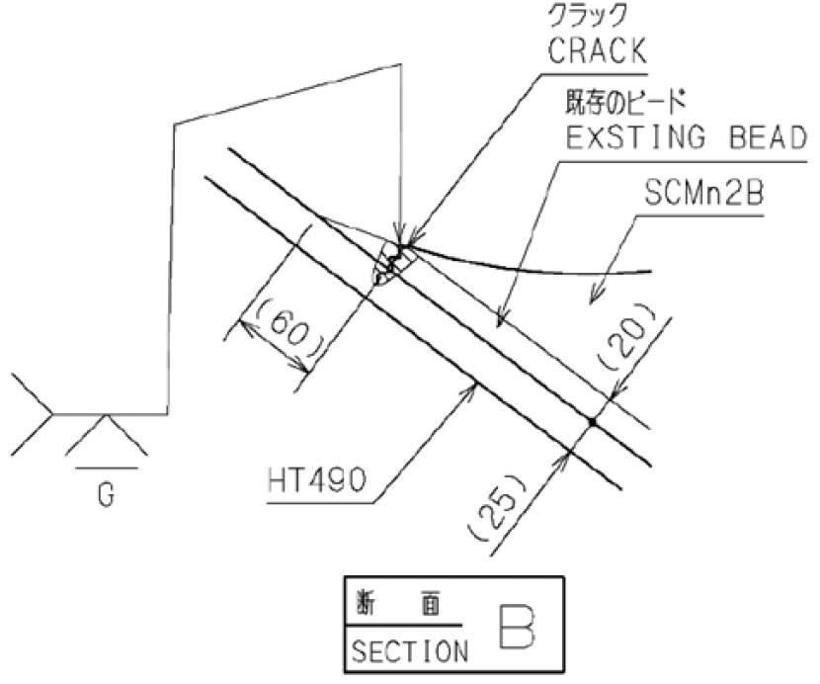 Gouge cracked area including additional 20 mm lengthwise; clean/grind gouged surface | NC-006 | 1.0 | Not Started | Prepared groove inspection | Drawing p2 section B | 亀裂部をガウジングで除去し、表面を清掃・研削 | ガウジング / 研削
NC-008 | Crack repair (conditional) required supervisor validation | Each cracked location | 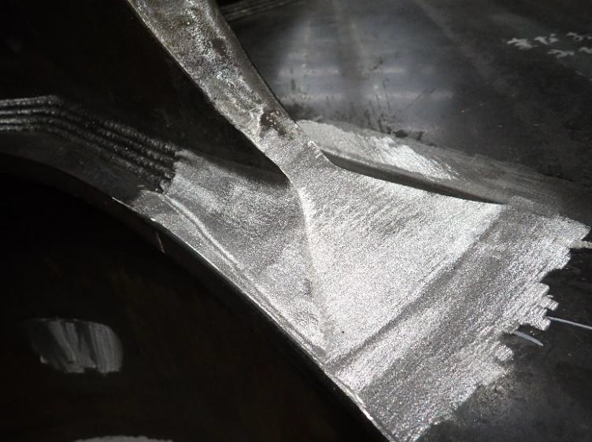 Weld repair with approved procedure and specified compatible electrode; maintain required preheat | NC-007 | 1.0 | Not Started | Welding record | Drawing p1: bracket hand electrode LB-52 / E7016 or E7018 | 承認された施工要領に従い亀裂部を補修溶接 | 補修溶接
NC-009 | Crack repair (conditional) required supervisor validation | Each cracked location | 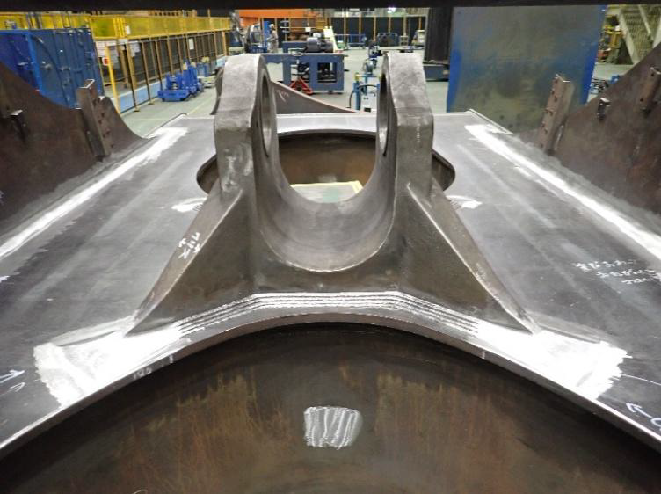 Grind repaired weld flush as shown; inspect before reinforcement welding | NC-008 | 1.0 | Not Started | QA inspection / release | Drawing p2 section B; inspection method TBD | 補修溶接部を図示のとおり平滑に研削し、検査 | 溶接後の研削
NC-010 | Reinforcement | All 4 locations | Mark reinforcement bead footprint to drawing detail 1 and views C/D; confirm geometry | NC-004 / NC-009 | 2.0 | Not Started | Layout verification | Drawing p3: 4 places; crack repair only where needed | 図面の形状・寸法に従い補強ビード範囲をマーキング | 追加ビード
NC-011 | Reinforcement | All 4 locations | Preheat bracket to 200–250°C before reinforcement welding; verify approved WPS | NC-010 | 0.5 | Not Started | Temperature log | Drawing p1 | 補強溶接前に200～250℃に予熱し、温度を確認 | 予熱 200～250℃
NC-012 | Reinforcement | All 4 locations | Deposit extra reinforcement welding bead to specified profile and dimensions | NC-011 | 1.0 | Not Started | Weld log / photos | Drawing p3 detail 1, views C/D | 図面の指示に従い補強用の追加溶接ビードを施工 | 追加ビード
NC-013 | Finishing | All 4 locations | Smoothly blend reinforcement with existing weld; finish ridge line approximately R6 and grind as shown | NC-012 | 1.5 | Not Started | Finished profile inspection | Drawing p3: R6 approx and smooth joining | 既存ビードとの接続部を滑らかに仕上げ、稜線を約R6に研削 | 仕上げ / R6
NC-014 | Quality | All 4 locations | Verify finished geometry, surface condition and inspection requirements against approved drawings / WPS | NC-013 | 1.0 | Not Started | QA acceptance | Inspection criteria and NDT method to be approved | 仕上がり形状・表面状態を確認し、必要な品質検査を実施 | 検査（図面外の基準は要確認）
NC-015 | Closeout | LH / RH / center / overall | Capture after-modification photos corresponding to overall, LH, RH, center and detail views | NC-014 | 0.5 | Not Started | After photos | Drawing p4 examples | 全景・左側・右側・中央部および詳細写真を記録 | After Field Modification（写真例）
NC-016 | Closeout | Truck | Record labor hours, actual dates, personnel, deviations and supervisor sign-off; release modification package | NC-015 | 0.5 | Not Started | Signed task route | Project control requirement | 実績工数・日付・担当者・不適合事項を記録し、監督者が完了確認 | 作業完了確認（図面外）

